How Link to a Page
STEP 1
Open the book you are interested in directly in VitalSource Bookshelf
In Bookshelf, navigate to the location of the book you want to link to.
In the table of contents to the left of the reader, click the thee dot menu then Copy Page URL.
A pop-up will appear with the URL. Click the copy button.

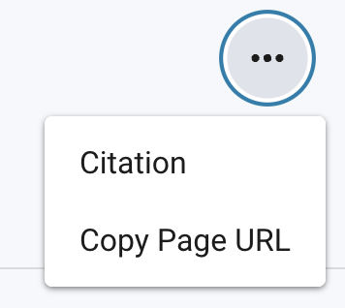

Integration ustomharedLaunch URL

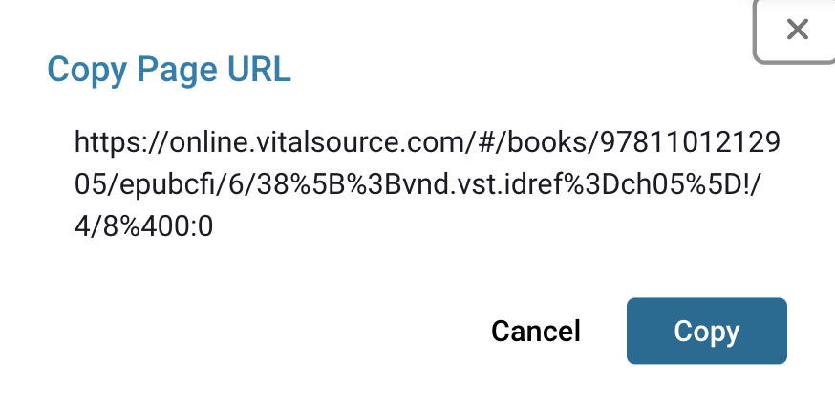

STEP 2
In the Bedford Bookshelf LMS Links Tab find the row that corresponds to the Book you opened in step 1 and paste the URL in the cell in Column D.
This will generate the integration URL that can be used to link in your LMS.
Copy the URL from the cell in Columin E.

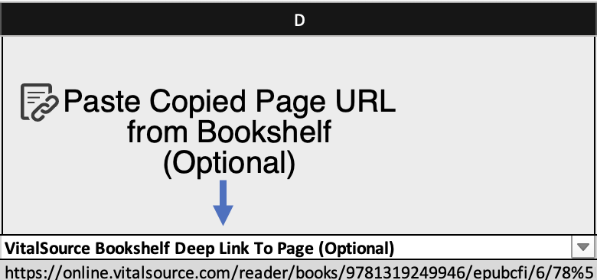

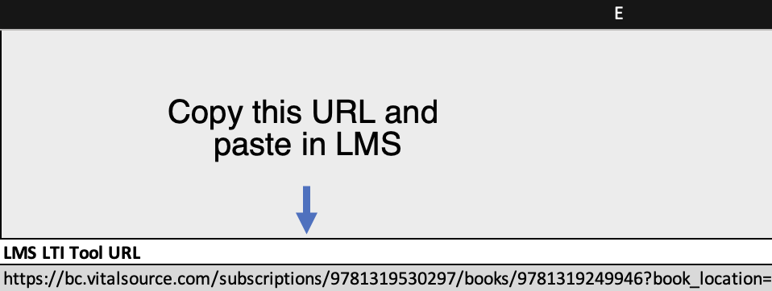

STEP 3
In your LMS, paste the deep-link URL in as your launch URL, ensuring you are correctly utlizing the LTI external tool previously installed.

Bedford Bookshelf LMS Links
Input the VitalSource Collection
SKU
Input the VitalSource Book
SKU
Paste Copied Page URL from Bookshelf
(Optional)
Copy this URL and
paste in LMS
VitalSource Subscription SKU | Individual Book SKU | VitalSource Bookshelf Deep Link To Page (Optional) | LMS LTI Tool URL
SUB-8010164151 | L-999-70044 | https://bookshelf.vitalsource.com/reader/books/L-999-70044/epubcfi/6/6%5Bidloc_002.xhtml-itemref%5D!/4%5Beid16%5D/6%5Beid20%5D | https://bc.vitalsource.com/subscriptions/SUB-8010164151/books/L-999-70044?custom_book_location=/epubcfi/6/6%5Bidloc_002.xhtml-itemref%5D!/4%5Beid16%5D/6%5Beid20%5D

