Instructions
STEP 1
You must have access to the desired course material via the LMS integration and the VBIDs must match exactly. Please verify the VBID prior to creating your deep-links.
In Bookshelf, navigate to the location of the book you want to link to.
In the bottom tool bar, click the copy link icon.
A pop-up will appear with the URL. Click the copy button.

Integration ustomharedLaunch URL

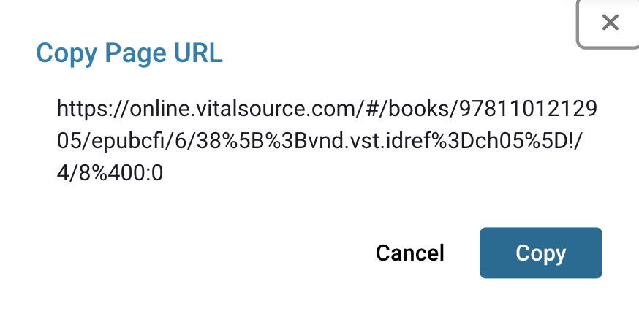

STEP 2
In the Deep-Link Generator, input the VitalSource SKU you are working in Column A and then paste the URL in the cell in Column B.
This will generate the integration URL that can be used to link in your LMS.
Copy the URL from the cell in Columin I.

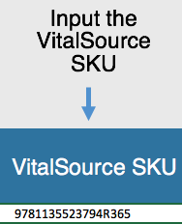

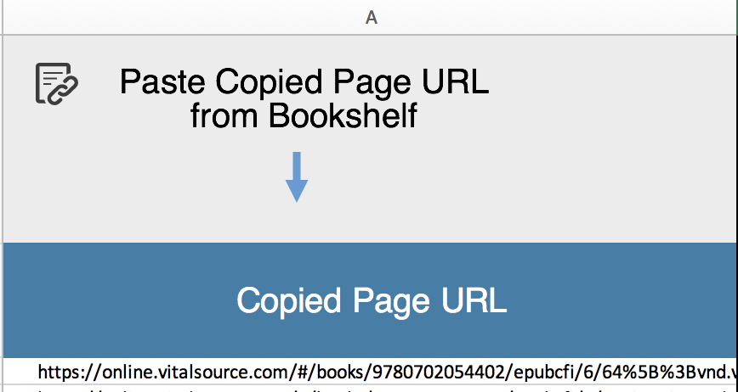

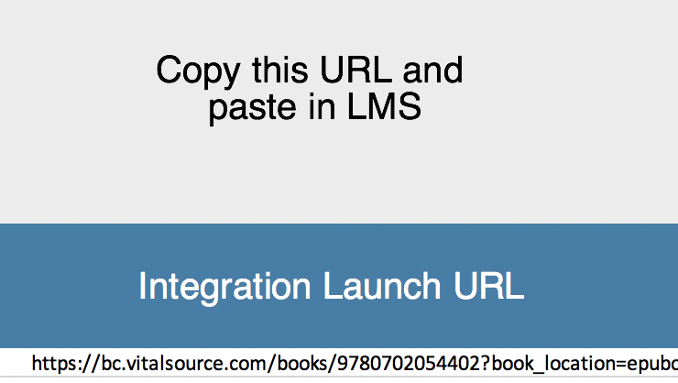

STEP 3
In your LMS, paste the deep-link URL in as your launch URL, ensuring you are correctly utlizing the LTI external tool previously installed.

Link Generator
Input the VitalSource SKU
Paste Copied Page URL from Bookshelf
Copy this URL and
paste in LMS
VitalSource SKU | Copied Page URL | URL for Deep-Linking (for LTI links)
9781135523794R365 | https://online.vitalsource.com/#/books/9781135523794/epubcfi/6/64%5B%3Bvnd.vst.idref%3DB9780702054402000097%5D!/4/2/12/8/4%5Bcesectitle0030%5D%400:50.5 | https://bc.vitalsource.com/books/9781135523794R365?book_location=epubcfi/6/64%5B%3Bvnd.vst.idref%3DB9780702054402000097%5D!/4/2/12/8/4%5Bcesectitle0030%5D%400:50.5
 |  | #VALUE!
 |  | #VALUE!
 |  | #VALUE!
 |  | #VALUE!
 |  | #VALUE!
 |  | #VALUE!
 |  | #VALUE!
 |  | #VALUE!
 |  | #VALUE!
 |  | #VALUE!
 |  | #VALUE!
 |  | #VALUE!
 |  | #VALUE!
 |  | #VALUE!
 |  | #VALUE!
 |  | #VALUE!
 |  | #VALUE!
 |  | #VALUE!
 |  | #VALUE!
 |  | #VALUE!
 |  | #VALUE!
 |  | #VALUE!
 |  | #VALUE!
 |  | #VALUE!
 |  | #VALUE!
 |  | #VALUE!
 |  | #VALUE!
 |  | #VALUE!
 |  | #VALUE!
 |  | #VALUE!
 |  | #VALUE!
 |  | #VALUE!
 |  | #VALUE!
 |  | #VALUE!
 |  | #VALUE!
 |  | #VALUE!
 |  | #VALUE!
 |  | #VALUE!
 |  | #VALUE!
 |  | #VALUE!
 |  | #VALUE!
 |  | #VALUE!
 |  | #VALUE!
 |  | #VALUE!
 |  | #VALUE!
 |  | #VALUE!
 |  | #VALUE!

